Hoja1
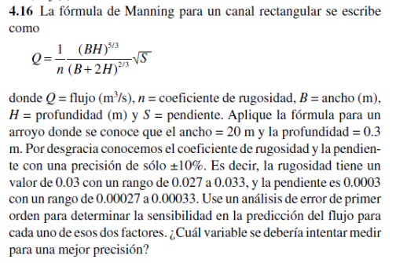

B= | 20 | S= | 0.0003
H= | 0.3
n= | 0.03

dQ/dn = | -1/n^2 * (B*H)^5/3 / (B+2H) ^2/3 * sqrt(S)
dQ/dS = | 1/2n * (BH)^5/3 / (B+2H)2/3 1/sqrt(S) |  |  | Q= | 1.1754892841

evaluando
dQ/dn = | -50.7371
dQ/dS = | 2536.8535

Sn = | 5.07371
Ss= | 253.68535

